Pivot Table 11
TOP 10 Cities with the Highest Income

Pivot Table 9
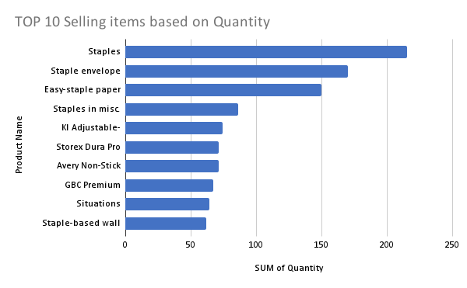

Pivot Table 7
Trend penjualan per Bulan

